Shareholders
 | New company: MII | HMC
 | Planned stock dividend to match each share of MC they already owned. | Company would be left with high debt burden. Stocks would likely suffer from that.
 | Company would be able to raise more capital | It is expected, that when real estate market is up again, business will come back up

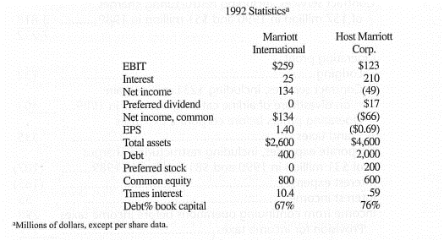
 | Share price before the split:
 | 16.50

 | Projected figures (millions of dollars, except EPS)
 | MII | HMC
EBIT | 259 | 123
Net Income | 134 | -49
EPS | 1.4 | 0.69
Total assets | 2600 | 4600
Debt | 400 | 2000
Common equity | 800 | 600

On one hand, MII earnings and, hence, EPS would be expected to increase, as it would be able to attract additional capital without the burden of debt. This would in turn increase their market capitalisation.
However, HMC would have most of the liabilities and illiquid (at the moment) real estate. They would have very limited capacity to attract capital or issue debt. However, real estate market is expected to rise at some point,

Shareholders would get a special stock dividend in MII. It would be tax free. Since stocks in MII are expected to appreciate, they would benefit.

Shareholders are usually prone to risk and this move is risky, but it has quite a al ot of potential earnings and capital growth, so shareholders would benefit from it.

Bondholders and creditors
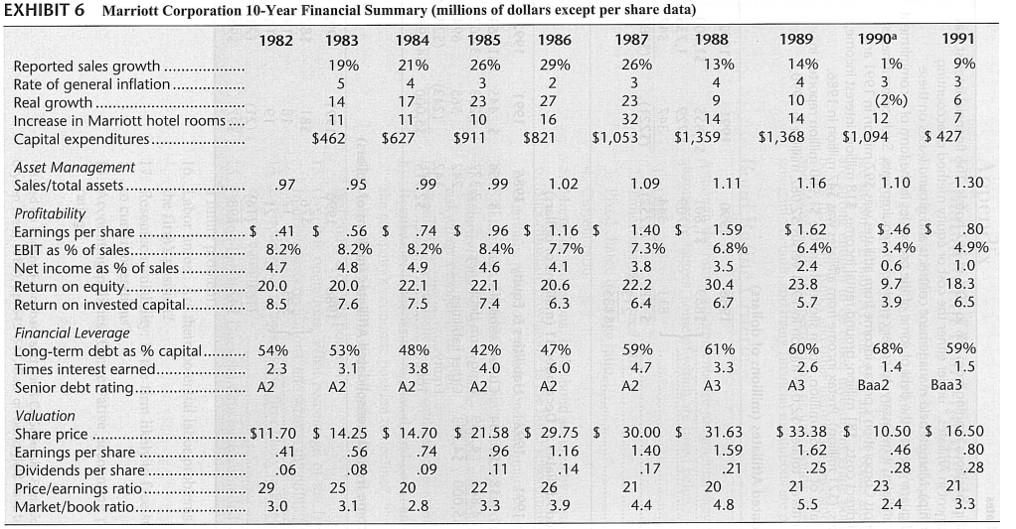
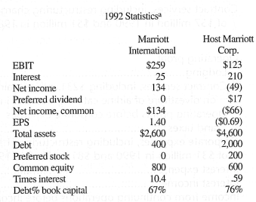
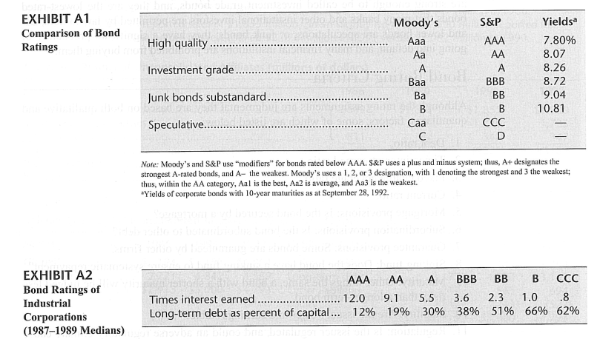
In 1987, the real estate crisis hit the market, thus, the revenues of Marriott Corporation has dropped significantly.
As Marriott Corporation had huge amount of long-term debt, the interest expenses make up a significant portion of company's expenses.
Respectively, the times interest earned ratio has been decreasing since 1987 - from 6.0 in 1987 to 1.5 in 1991.
Therefore, the rating agencies has been downgrading the senior debt rating of Marriott Corporation respectively.

Taking into account that nearly all long-term debt will be retained by Host Marriott Corporation after the split of companies, the expected times interest earned ration is 0.59 for Host Marriott Corporation.
According to the Exhibit A2, the respective ratio suggests that the rating of senior debt will be downgrade below the investment grade after the split of companies.

